System Dev. Plan
INTERNAL USE ONLY
Access: PSCSG Project Members Only
INTERNAL USE ONLY
Access: PSCSG Project Members Only
INTERNAL USE ONLY
Access: PSCSG Project Members Only
INTERNAL USE ONLY
Access: PSCSG Project Members Only
INTERNAL USE ONLY
Access: Project Members Only
SYSTEM REQUEST FORM
(New System Introduction / System Enhancement / Bug Fix)

System Development Plan

System : |  |  | Gprism
Module :
Subject : |  |  | PS00S01002000 - Program Verification Master

Please indicate 'Y' (Yes) or 'NA' (Non-Applicable) in the BOX for the maintenance of the documents of the following items. MANDATORY. If 'Y', please attach its related documents or indicate the reference document.

System Outline
 |  |  |  |  | Document Maintained (if others, please specify) | Explantion Note

 | (1) | Request Background / Description |  | Y | System Request Form | Management issues / User division request

 | (2) | Aims of System Construction |  | Y | System Request Form | Objectives / Benefits

 | (3) | Outline of IT Solutions |  | Y | System Request Form | Solution Details

 | (4) | Business Flow |  | NA | Blueprint | Business Flow Diagram, Process Flow Diagram

 | (5) | Diagram of System Outline |  | Y | Functional Specifications | User divisions, functions and outline of information
 |  |  |  |  | FS Version No. :

 | (6) | Outline of Functions |  | Y | Functional Specifications | Explanation of functions

 | (7) | Outline of Input & Output |  | Y | Functional Specifications | List of major screens and reports

 |  |  |  |  |  |  |  | `
 | (8) | System Interface |  | N | Functional Specifications | Method to send/receive data

 | (9) | Testing |  | Y | Test Plan and Test Result | Test Plan defind the scope of test & test scenarios
 |  |  |  |  |  | Test result register the result of the test scenarios

 | (10) | Migration Plan |  | N | Common Contingency Plan | Outline of migration method, estimated period and scale
 |  |  |  |  | as in Procedure for
 |  |  |  |  | System development / Major System Enhancement
 |  |  |  |  | (For CIM system - fill "CIM System - Program Migration Check List)

Promotion Schedule |  |  |  | Y | System Request Form / Project DCP Meeting | Schedule of all processses in this project

Project Structure
 | (1) | Organization Chart for Basic Design |  | NA | Project DCP Materials | Organization chart (members), roles, responsibilities and authorities

 | (2) | Project Management |  | NA | Project DCP Materials | Purpose of meetings, frequency of meetings, participants

 | (3) | Total Man-Days |  | Y | System Request Form / Project DCP Materials | Total system development effort

 |  |  |  |  | 1

Cost Effectiveness
 | (1) | Cost |  | NA | Project Investment Plan | Estimated development cost and operation cost

 | (2) | Effect / Benefit |  | NA | Project Investment Plan | Quantitative and qualitative effect / benefit

 | (3) | ROI |  | NA | Project Investment Plan | Return on Investment

Management
 | (1) | Information Security |  | Y | ISM | Classification of information, limit of disclosure, access control method, etc

For New System Introduction, Development that involves change in basic program design, Development that takes more than 10 man-days
and/or Critical program changes :
System devlopment plan is to be discussed and signed-off by Business Manager

Approved by (Business Manager)

(Name, Signature, Date) |  |  |  |  |  |  | FMSC-MIS-001-13 G.REV1

Test Plan Signoff
Note:
Only need to print the Test Plan Version corresponding to the System Request Number that is being serviced. (Use "hide" function.)
INTERNAL USE ONLY
Access: Gprism Project Members Only
PS00S01002000 - Program Verification Master
Test Plan Signoff Form

Request Title: |  | Gprism
Description : |  | The document summarises the Test plan and the Test Scenarios for program

No | Description
1 | Program Description

Ver | System Request Number | Purpose | Scope | System To Be Tested In | IT Dept. Schedule | To Be Tested By IT | User Dept. Schedule | To Be Tested /Acknowldged By | Approved by IT Dept. | Approved by User Dept.
 |  |  |  |  |  |  |  |  | (Name, Sign.,Date) | (Name, Sign.,Date)
1 | Program Verification Master CCD Project | Program Verification Master | Test All Function | Gprism - DEV | 2017-03-27 | M Shan

Project Information
Company: |  | PIDSCSA
Project Name: |  | Program Verification Master

Test Plan
INTERNAL USE ONLY
Access: Gprism Project Members Only
PS00S01002000 - Program Verification Master
Test Plan

Sub module | Sys Req No | Test ID | Test Scenarios | Option | Test Schedule | Expected Result | Actual Result | User Test (Name, Signature,Date) | IT Verification (Name, Signature,Date) | Status of Testing
 |  | 1 | Scenario 1 : Check required input |  |  | Error message shown if required inputs are empty | Same as Expected result. | M Shan/2017-03-27 |  | OK
 |  | 2 | Scenario 2 : Check for illegal characters |  |  | Error message shown if required inputs have any Illegal Characters. | Same as Expected result. | M Shan/2017-03-27 |  | OK
 |  | 3 | Scenario 3 : Check for Tag |  |  | Error message shown when inputs have wrong tag | Same as Expected result. | M Shan/2017-03-27 |  | OK
 |  | 4 | Scenario 4 : Search for step code and type and retrieve details |  |  | Error message shown when unable to retrieve step details | Same as Expected result. | M Shan/2017-03-27 |  | OK
 |  | 5 | Scenario 5 : Check for valid input. |  |  | Error message shown when inputs are invalid | Same as Expected result. | M Shan/2017-03-27 |  | OK
 |  | 6 | Scenario 6 : Update /add /delete program details |  |  | Able to update /add /delete program details | Same as Expected result. | M Shan/2017-03-27 |  | OK
 |  | 7 | Scenario 7: OK1/OK2 Input Validation |  |  | Error message shown when OK1/Ok2 is blank and step is F0 Test. No error message shown when OK1/Ok2 is blank and step is not F0 Test. | Same as Expected result. | Mydel/2017-04-04 |  | OK
 |  | 8 | Scenario 8: Rank Type Validation |  |  | Error message shown when Rank Type is blank and step is F0 Test. No error message shown when Rank Type is blank and step is not F0 Test. | Same as Expected result. | Mydel/2017-04-04 |  | OK
 |  | 9
 |  | 10
 |  | 11
 |  | 12
 |  | 13
 |  | 14
 |  | 15

Scenario 1
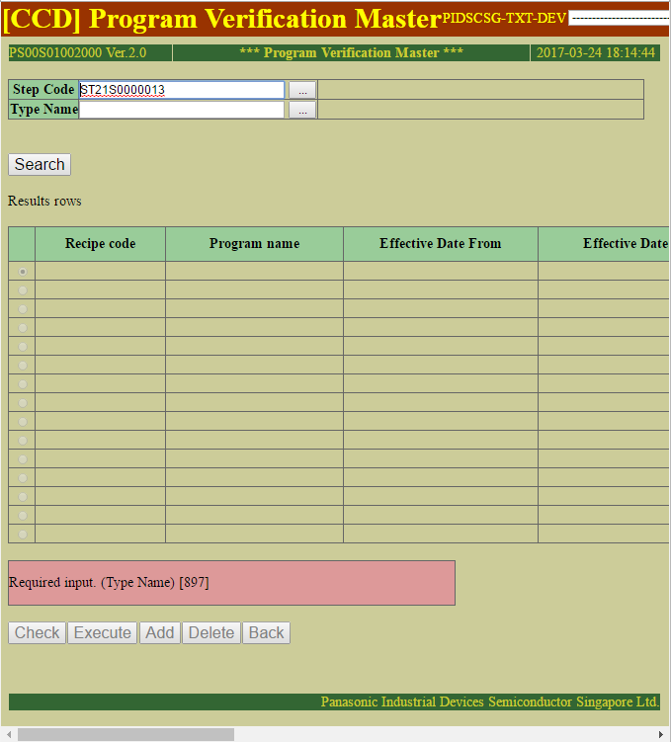
Scenario 1 : Check required input

Expected Result | Actual Result
Error message shown if required inputs are empty | Same as Expected result.

Empty Step Code

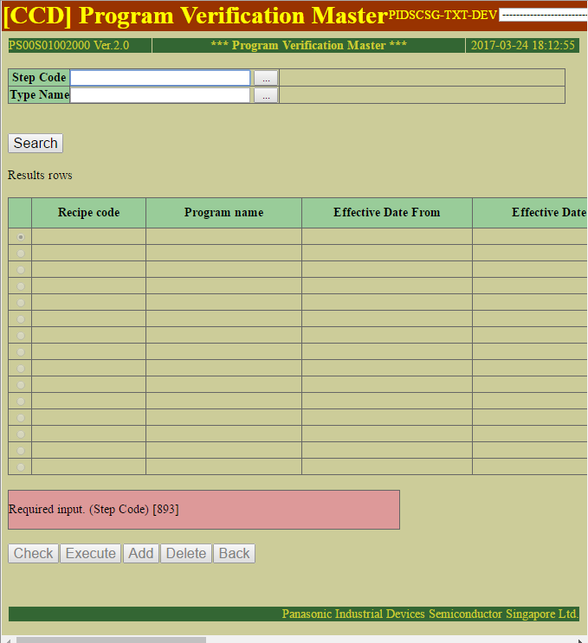

Empty Type Name

Scenario 2
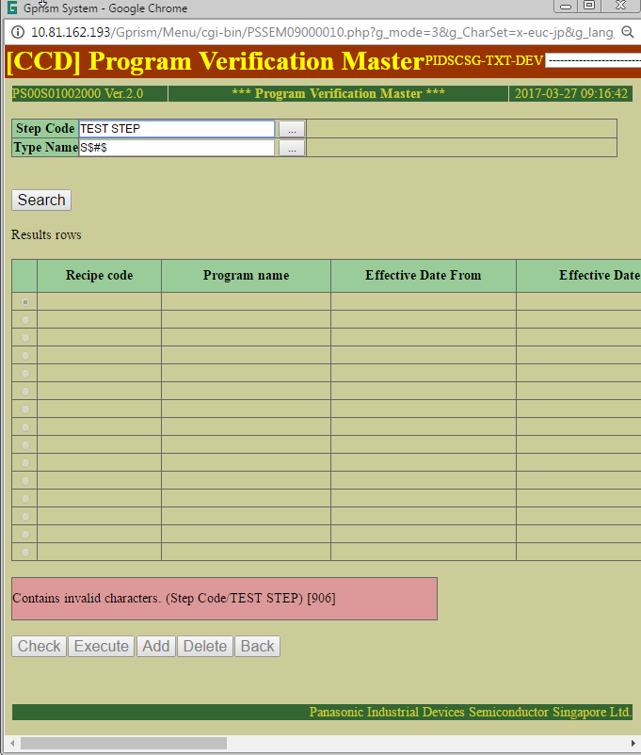
Scenario 2 : Check for illegal characters

Expected Result | Actual Result
Error message shown if required inputs have any Illegal Characters. | Same as Expected result.

STEP CODE have Non-Alphanumeric character

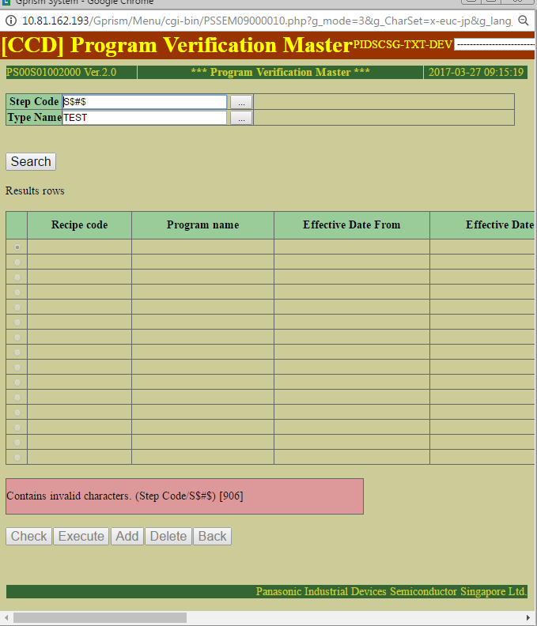

Type Name have Non-Alphanumeric character

Scenario3
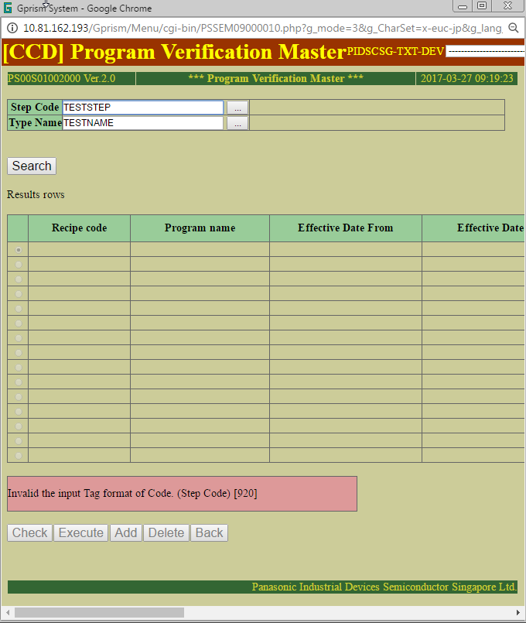
Scenario 3 : Check for Tag

Expected Result | Actual Result
Error message shown when inputs have wrong tag | Same as Expected result.

 |  | Step Code | Tag 'ST'

Wrong Step Code tag

Scenario 4
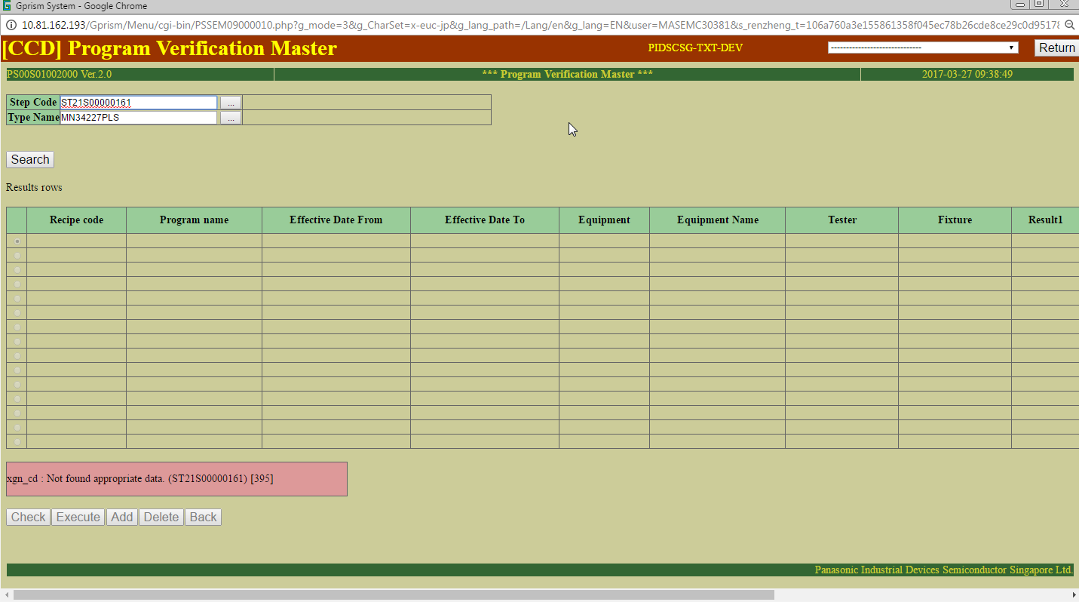
Scenario 4 : Search for step code and type and retrieve details

Expected Result | Actual Result
Error message shown when unable to retrieve step details | Same as Expected result.

Unable to Retrieve step details

Scenario 5
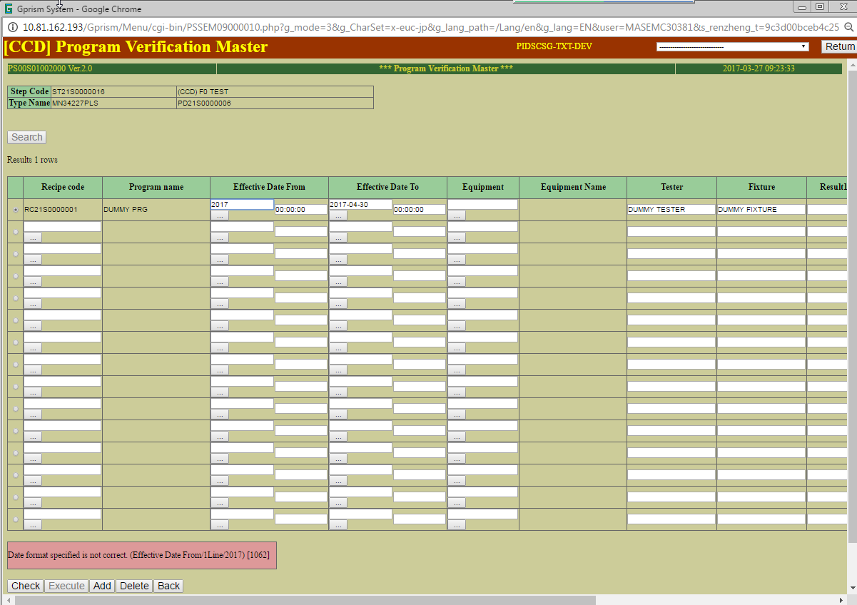
Scenario 5 : Check for valid input.

Expected Result | Actual Result
Error message shown when inputs are invalid | Same as Expected result.

Invalid Date Format

Scenario 6
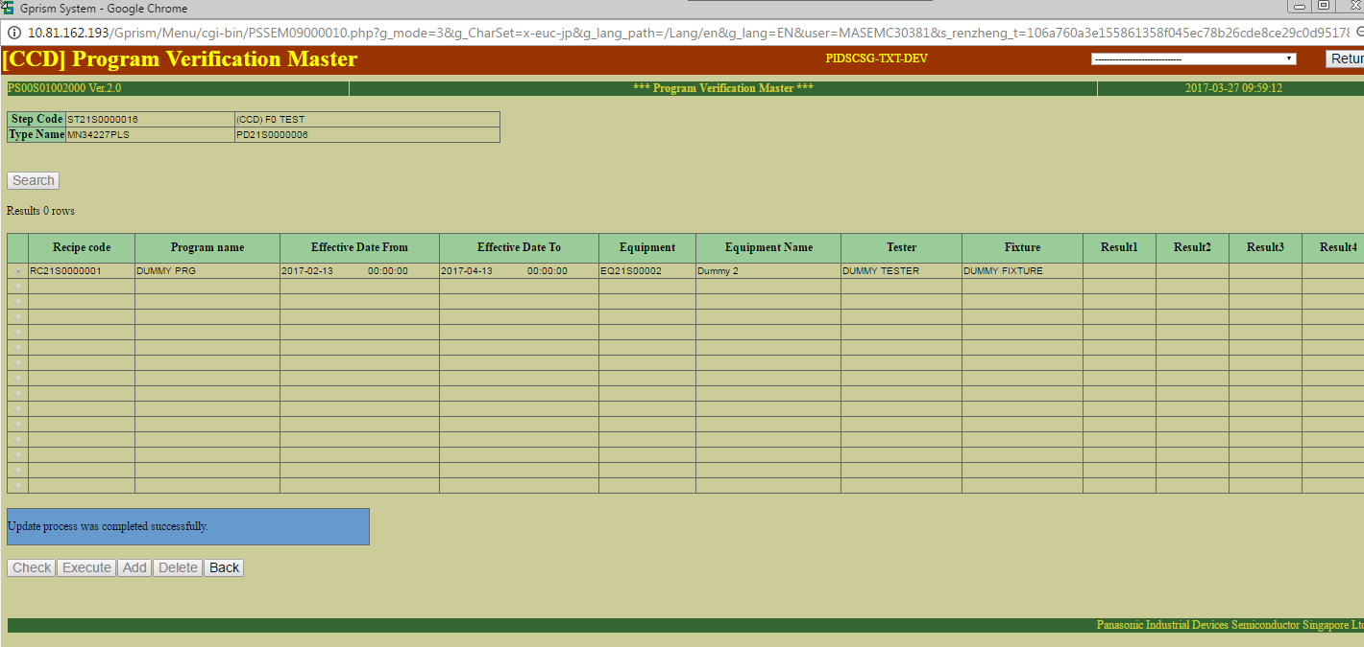
Scenario 6 : Update /add /delete program details

Expected Result | Actual Result
Able to update /add /delete program details | Same as Expected result.

Able to retrieve existing record

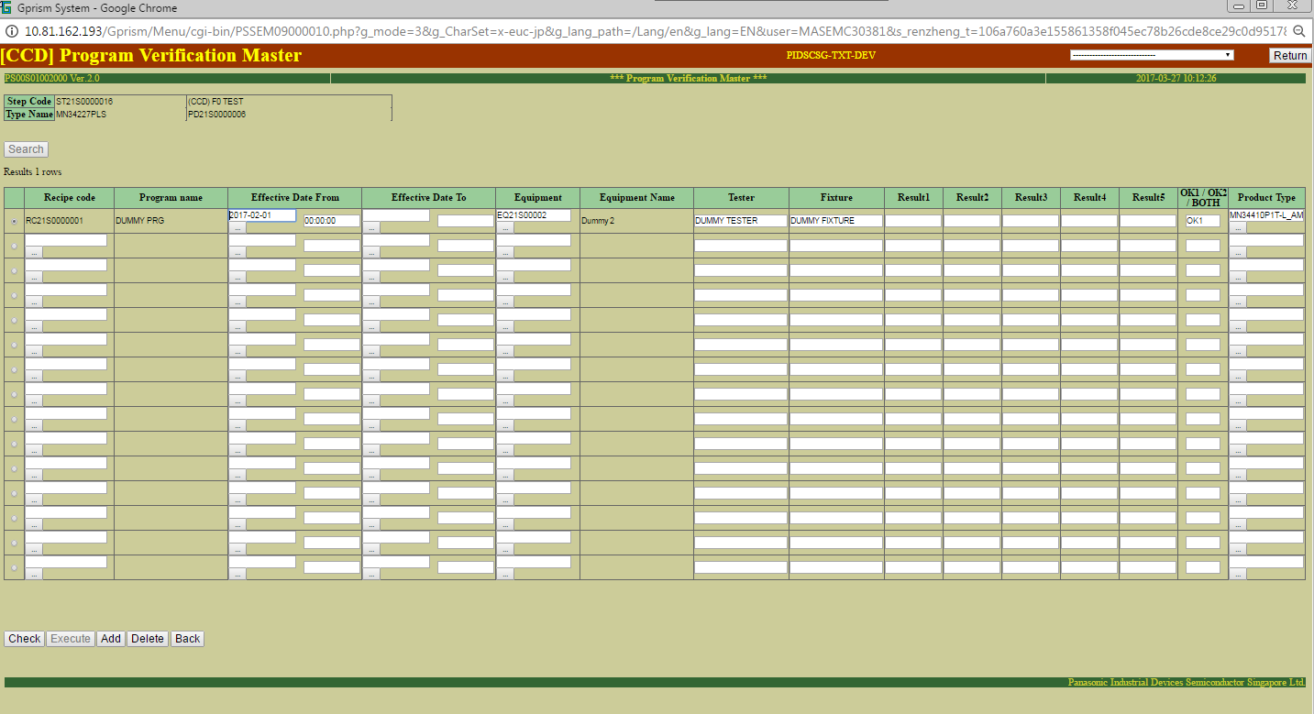

Able to Update Record

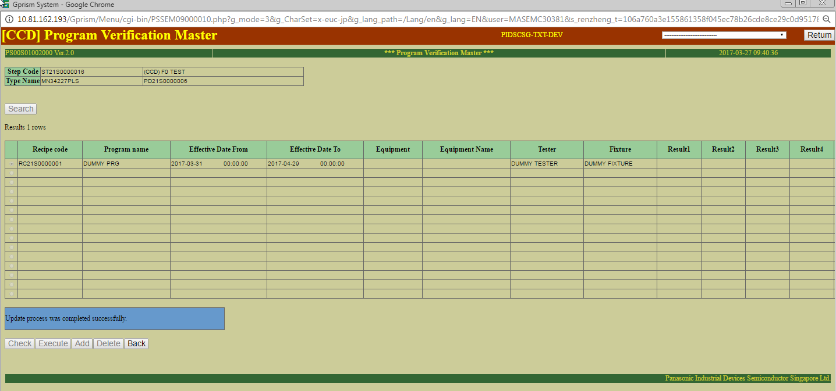

 |  | sql: | SELECT * FROM RCP_MST WHERE RCP_CD = 'RC21S0000001'
 |  | DEL_FLG | RCP_CD | PRM_CD | LST_NO | PRM_DAT_TXT | PRM_DAT_VAL | NUM_PRM_FLG | UNT_CD | DSP_FLG | GTH_FLG_RCP | CRT_DTS | USR_ID_CRT | UPD_DTS | USR_ID_UPD | UPD_LEV
 |  | 1 | RC21S0000001 | PM49S0000128 | 1 |  | Null | 0 |  | 0 | 0 | 3/27/17 | MASEMC30381 | 3/27/17 | MASEMC30381 | 1
 |  | 1 | RC21S0000001 | PM49S0000129 | 2 |  | Null | 0 |  | 0 | 0 | 3/27/17 | MASEMC30381 | 3/27/17 | MASEMC30381 | 1
 |  | 1 | RC21S0000001 | PM49S0000130 | 3 |  | Null | 0 |  | 0 | 0 | 3/27/17 | MASEMC30381 | 3/27/17 | MASEMC30381 | 1
 |  | 1 | RC21S0000001 | PM49S0000131 | 4 |  | Null | 0 |  | 0 | 0 | 3/27/17 | MASEMC30381 | 3/27/17 | MASEMC30381 | 1
 |  | 1 | RC21S0000001 | PM49S0000132 | 5 |  | Null | 0 |  | 0 | 0 | 3/27/17 | MASEMC30381 | 3/27/17 | MASEMC30381 | 1
 |  | 1 | RC21S0000001 | PM49S0000133 | 6 |  | Null | 0 |  | 0 | 0 | 3/27/17 | MASEMC30381 | 3/27/17 | MASEMC30381 | 1
 |  | 1 | RC21S0000001 | PM00S0000001 | 7 | DUMMY TESTER | Null | 0 |  | 0 | 0 | 3/27/17 | MASEMC30381 | 3/27/17 | MASEMC30381 | 1
 |  | 1 | RC21S0000001 | PM00S0000002 | 8 | DUMMY FIXTURE | Null | 0 |  | 0 | 0 | 3/27/17 | MASEMC30381 | 3/27/17 | MASEMC30381 | 1
 |  | 1 | RC21S0000001 | PM21S0000002 | 10 | MN34410P1T-L_AMK | Null | 0 |  | 0 | 0 | 3/27/17 | MASEMC30381 | 3/27/17 | MASEMC30381 | 1
 |  | 1 | RC21S0000001 | PM21S0000001 | 9 | OK1 | Null | 0 |  | 0 | 0 | 3/27/17 | MASEMC30381 | 3/27/17 | MASEMC30381 | 1
 |  | 1 | RC21S0000001 | PM49S0000128 | 1 | EQ21S00002 | Null | 0 |  | 0 | 0 | 3/27/17 | MASEMC30381 | 3/27/17 | MASEMC30381 | 2
 |  | 1 | RC21S0000001 | PM49S0000129 | 2 |  | Null | 0 |  | 0 | 0 | 3/27/17 | MASEMC30381 | 3/27/17 | MASEMC30381 | 2
 |  | 1 | RC21S0000001 | PM49S0000130 | 3 |  | Null | 0 |  | 0 | 0 | 3/27/17 | MASEMC30381 | 3/27/17 | MASEMC30381 | 2
 |  | 1 | RC21S0000001 | PM49S0000131 | 4 |  | Null | 0 |  | 0 | 0 | 3/27/17 | MASEMC30381 | 3/27/17 | MASEMC30381 | 2
 |  | 1 | RC21S0000001 | PM49S0000132 | 5 |  | Null | 0 |  | 0 | 0 | 3/27/17 | MASEMC30381 | 3/27/17 | MASEMC30381 | 2
 |  | 1 | RC21S0000001 | PM49S0000133 | 6 |  | Null | 0 |  | 0 | 0 | 3/27/17 | MASEMC30381 | 3/27/17 | MASEMC30381 | 2
 |  | 1 | RC21S0000001 | PM00S0000001 | 7 | DUMMY TESTER | Null | 0 |  | 0 | 0 | 3/27/17 | MASEMC30381 | 3/27/17 | MASEMC30381 | 2
 |  | 1 | RC21S0000001 | PM00S0000002 | 8 | DUMMY FIXTURE | Null | 0 |  | 0 | 0 | 3/27/17 | MASEMC30381 | 3/27/17 | MASEMC30381 | 2
 |  | 1 | RC21S0000001 | PM21S0000002 | 10 | MN34410P1T-L_AMK | Null | 0 |  | 0 | 0 | 3/27/17 | MASEMC30381 | 3/27/17 | MASEMC30381 | 2
 |  | 1 | RC21S0000001 | PM21S0000001 | 9 | OK1 | Null | 0 |  | 0 | 0 | 3/27/17 | MASEMC30381 | 3/27/17 | MASEMC30381 | 2
 |  | 0 | RC21S0000001 | PM49S0000128 | 1 | EQ21S00002 | Null | 0 |  | 0 | 0 | 3/27/17 | MASEMC30381 | 0001-01-01 00:00:00 |  | 3
 |  | 0 | RC21S0000001 | PM49S0000129 | 2 |  | Null | 0 |  | 0 | 0 | 3/27/17 | MASEMC30381 | 0001-01-01 00:00:00 |  | 3
 |  | 0 | RC21S0000001 | PM49S0000130 | 3 |  | Null | 0 |  | 0 | 0 | 3/27/17 | MASEMC30381 | 0001-01-01 00:00:00 |  | 3
 |  | 0 | RC21S0000001 | PM49S0000131 | 4 |  | Null | 0 |  | 0 | 0 | 3/27/17 | MASEMC30381 | 0001-01-01 00:00:00 |  | 3
 |  | 0 | RC21S0000001 | PM49S0000132 | 5 |  | Null | 0 |  | 0 | 0 | 3/27/17 | MASEMC30381 | 0001-01-01 00:00:00 |  | 3
 |  | 0 | RC21S0000001 | PM49S0000133 | 6 |  | Null | 0 |  | 0 | 0 | 3/27/17 | MASEMC30381 | 0001-01-01 00:00:00 |  | 3
Able to delete record |  | 0 | RC21S0000001 | PM00S0000001 | 7 | DUMMY TESTER | Null | 0 |  | 0 | 0 | 3/27/17 | MASEMC30381 | 0001-01-01 00:00:00 |  | 3
 |  | 0 | RC21S0000001 | PM00S0000002 | 8 | DUMMY FIXTURE | Null | 0 |  | 0 | 0 | 3/27/17 | MASEMC30381 | 0001-01-01 00:00:00 |  | 3
 |  | 0 | RC21S0000001 | PM21S0000001 | 9 | OK1 | Null | 0 |  | 0 | 0 | 3/27/17 | MASEMC30381 | 0001-01-01 00:00:00 |  | 3
 |  | 0 | RC21S0000001 | PM21S0000002 | 10 | MN34410P1T-L_AMK | Null | 0 |  | 0 | 0 | 3/27/17 | MASEMC30381 | 0001-01-01 00:00:00 |  | 3
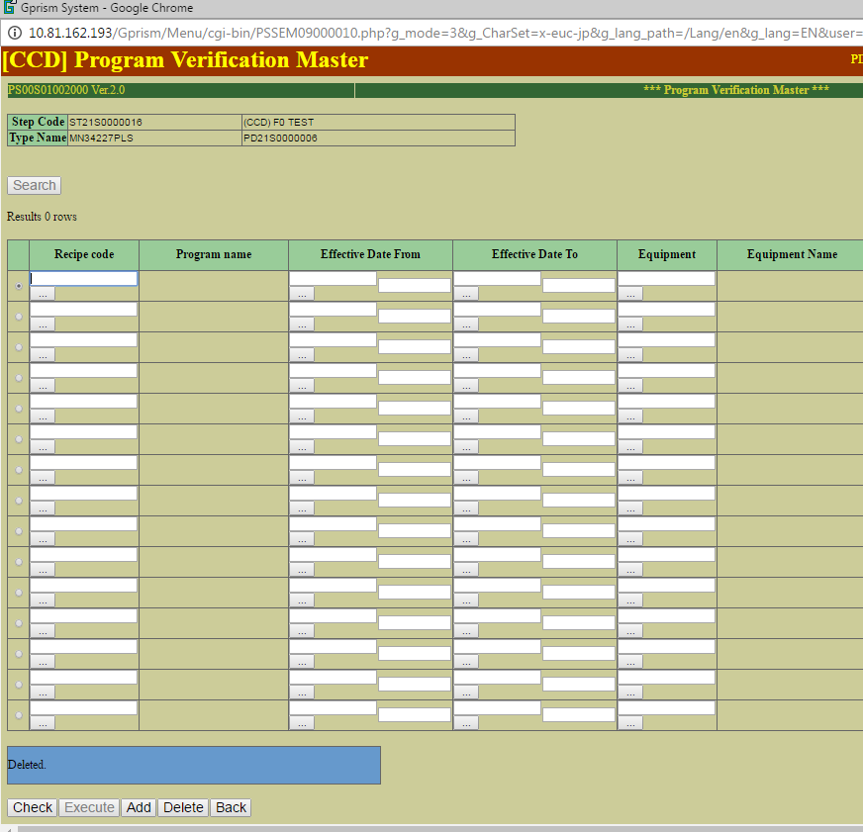

Able to add new record

Scenario 7
Scenario 7: OK1/OK2 Input Validation

Expected Result | Actual Result
Error message shown when OK1/Ok2 is blank and step is F0 Test. No error message shown when OK1/Ok2 is blank and step is not F0 Test. | Same as Expected result.

Step Code is F0 Test and OK1/OK2 is blank, Error message occurred
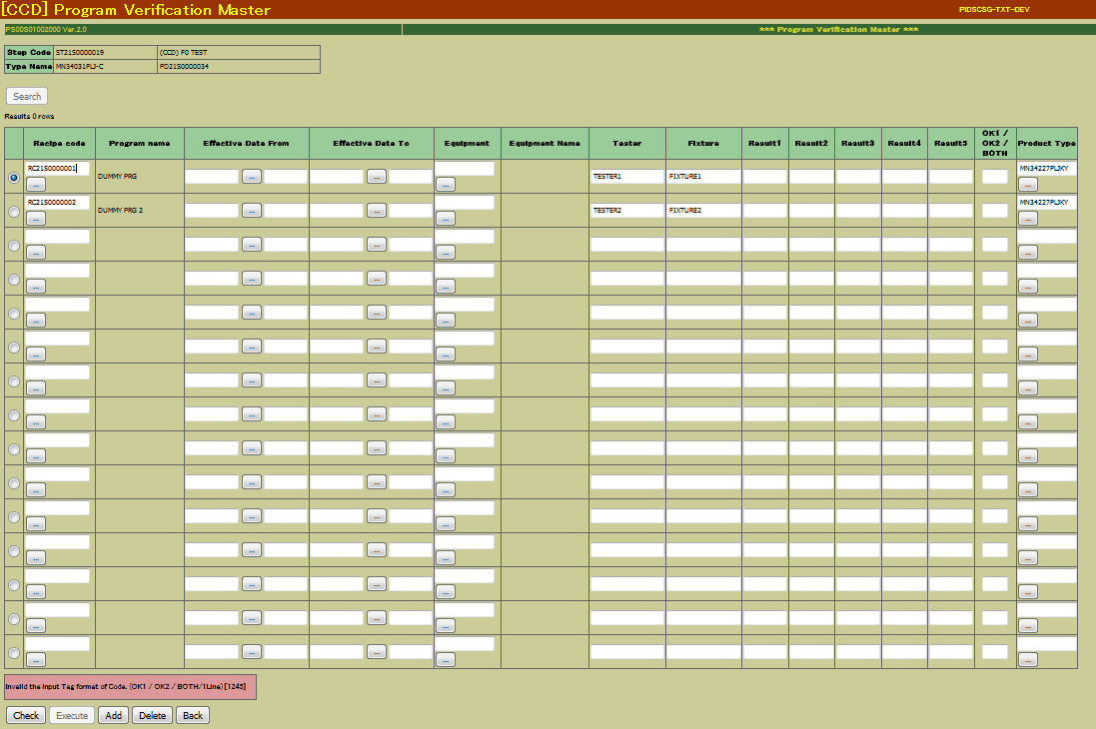

Step Code is not F0 Test and OK1/OK2 is blank, Check has been completed
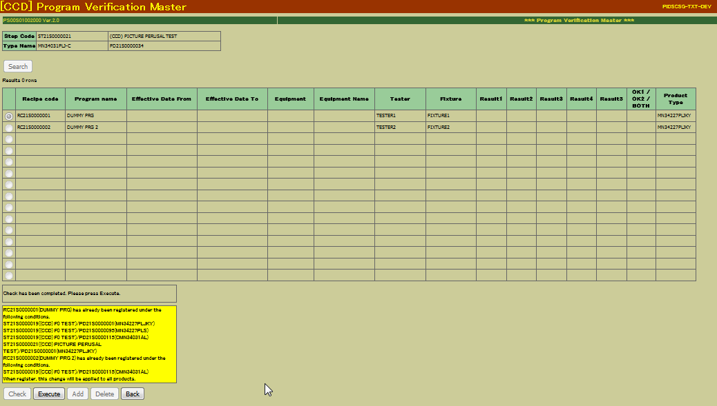

 |  | sql: | SELECT * FROM RCP_MST WHERE RCP_CD = 'RC21S0000001'
 |  | DEL_FLG | RCP_CD | PRM_CD | LST_NO | PRM_DAT_TXT | PRM_DAT_VAL | NUM_PRM_FLG | UNT_CD | DSP_FLG | GTH_FLG_RCP | CRT_DTS | USR_ID_CRT | UPD_DTS | USR_ID_UPD | UPD_LEV
 |  | 1 | RC21S0000001 | PM49S0000128 | 1 |  | Null | 0 |  | 0 | 0 | 3/27/17 | MASEMC30381 | 3/27/17 | MASEMC30381 | 1
 |  | 1 | RC21S0000001 | PM49S0000129 | 2 |  | Null | 0 |  | 0 | 0 | 3/27/17 | MASEMC30381 | 3/27/17 | MASEMC30381 | 1
 |  | 1 | RC21S0000001 | PM49S0000130 | 3 |  | Null | 0 |  | 0 | 0 | 3/27/17 | MASEMC30381 | 3/27/17 | MASEMC30381 | 1
 |  | 1 | RC21S0000001 | PM49S0000131 | 4 |  | Null | 0 |  | 0 | 0 | 3/27/17 | MASEMC30381 | 3/27/17 | MASEMC30381 | 1
 |  | 1 | RC21S0000001 | PM49S0000132 | 5 |  | Null | 0 |  | 0 | 0 | 3/27/17 | MASEMC30381 | 3/27/17 | MASEMC30381 | 1
 |  | 1 | RC21S0000001 | PM49S0000133 | 6 |  | Null | 0 |  | 0 | 0 | 3/27/17 | MASEMC30381 | 3/27/17 | MASEMC30381 | 1
 |  | 1 | RC21S0000001 | PM00S0000001 | 7 | DUMMY TESTER | Null | 0 |  | 0 | 0 | 3/27/17 | MASEMC30381 | 3/27/17 | MASEMC30381 | 1
 |  | 1 | RC21S0000001 | PM00S0000002 | 8 | DUMMY FIXTURE | Null | 0 |  | 0 | 0 | 3/27/17 | MASEMC30381 | 3/27/17 | MASEMC30381 | 1
 |  | 1 | RC21S0000001 | PM21S0000002 | 10 | MN34410P1T-L_AMK | Null | 0 |  | 0 | 0 | 3/27/17 | MASEMC30381 | 3/27/17 | MASEMC30381 | 1
 |  | 1 | RC21S0000001 | PM21S0000001 | 9 | OK1 | Null | 0 |  | 0 | 0 | 3/27/17 | MASEMC30381 | 3/27/17 | MASEMC30381 | 1
 |  | 1 | RC21S0000001 | PM49S0000128 | 1 | EQ21S00002 | Null | 0 |  | 0 | 0 | 3/27/17 | MASEMC30381 | 3/27/17 | MASEMC30381 | 2
 |  | 1 | RC21S0000001 | PM49S0000129 | 2 |  | Null | 0 |  | 0 | 0 | 3/27/17 | MASEMC30381 | 3/27/17 | MASEMC30381 | 2
 |  | 1 | RC21S0000001 | PM49S0000130 | 3 |  | Null | 0 |  | 0 | 0 | 3/27/17 | MASEMC30381 | 3/27/17 | MASEMC30381 | 2
 |  | 1 | RC21S0000001 | PM49S0000131 | 4 |  | Null | 0 |  | 0 | 0 | 3/27/17 | MASEMC30381 | 3/27/17 | MASEMC30381 | 2
 |  | 1 | RC21S0000001 | PM49S0000132 | 5 |  | Null | 0 |  | 0 | 0 | 3/27/17 | MASEMC30381 | 3/27/17 | MASEMC30381 | 2
 |  | 1 | RC21S0000001 | PM49S0000133 | 6 |  | Null | 0 |  | 0 | 0 | 3/27/17 | MASEMC30381 | 3/27/17 | MASEMC30381 | 2
 |  | 1 | RC21S0000001 | PM00S0000001 | 7 | DUMMY TESTER | Null | 0 |  | 0 | 0 | 3/27/17 | MASEMC30381 | 3/27/17 | MASEMC30381 | 2
 |  | 1 | RC21S0000001 | PM00S0000002 | 8 | DUMMY FIXTURE | Null | 0 |  | 0 | 0 | 3/27/17 | MASEMC30381 | 3/27/17 | MASEMC30381 | 2
 |  | 1 | RC21S0000001 | PM21S0000002 | 10 | MN34410P1T-L_AMK | Null | 0 |  | 0 | 0 | 3/27/17 | MASEMC30381 | 3/27/17 | MASEMC30381 | 2
 |  | 1 | RC21S0000001 | PM21S0000001 | 9 | OK1 | Null | 0 |  | 0 | 0 | 3/27/17 | MASEMC30381 | 3/27/17 | MASEMC30381 | 2
 |  | 0 | RC21S0000001 | PM49S0000128 | 1 | EQ21S00002 | Null | 0 |  | 0 | 0 | 3/27/17 | MASEMC30381 | 0001-01-01 00:00:00 |  | 3
 |  | 0 | RC21S0000001 | PM49S0000129 | 2 |  | Null | 0 |  | 0 | 0 | 3/27/17 | MASEMC30381 | 0001-01-01 00:00:00 |  | 3
 |  | 0 | RC21S0000001 | PM49S0000130 | 3 |  | Null | 0 |  | 0 | 0 | 3/27/17 | MASEMC30381 | 0001-01-01 00:00:00 |  | 3
 |  | 0 | RC21S0000001 | PM49S0000131 | 4 |  | Null | 0 |  | 0 | 0 | 3/27/17 | MASEMC30381 | 0001-01-01 00:00:00 |  | 3
 |  | 0 | RC21S0000001 | PM49S0000132 | 5 |  | Null | 0 |  | 0 | 0 | 3/27/17 | MASEMC30381 | 0001-01-01 00:00:00 |  | 3
 |  | 0 | RC21S0000001 | PM49S0000133 | 6 |  | Null | 0 |  | 0 | 0 | 3/27/17 | MASEMC30381 | 0001-01-01 00:00:00 |  | 3

 |  | 0 | RC21S0000001 | PM00S0000002 | 8 | DUMMY FIXTURE | Null | 0 |  | 0 | 0 | 3/27/17 | MASEMC30381 | 0001-01-01 00:00:00 |  | 3
 |  | 0 | RC21S0000001 | PM21S0000001 | 9 | OK1 | Null | 0 |  | 0 | 0 | 3/27/17 | MASEMC30381 | 0001-01-01 00:00:00 |  | 3
 |  | 0 | RC21S0000001 | PM21S0000002 | 10 | MN34410P1T-L_AMK | Null | 0 |  | 0 | 0 | 3/27/17 | MASEMC30381 | 0001-01-01 00:00:00 |  | 3

Scenario 8
Scenario 8: Rank Type Validation

Expected Result | Actual Result
Error message shown when Rank Type is blank and step is F0 Test. No error message shown when Rank Type is blank and step is not F0 Test. | Same as Expected result.

Step Code is F0 Test and Rank Type is blank, Error message occurred

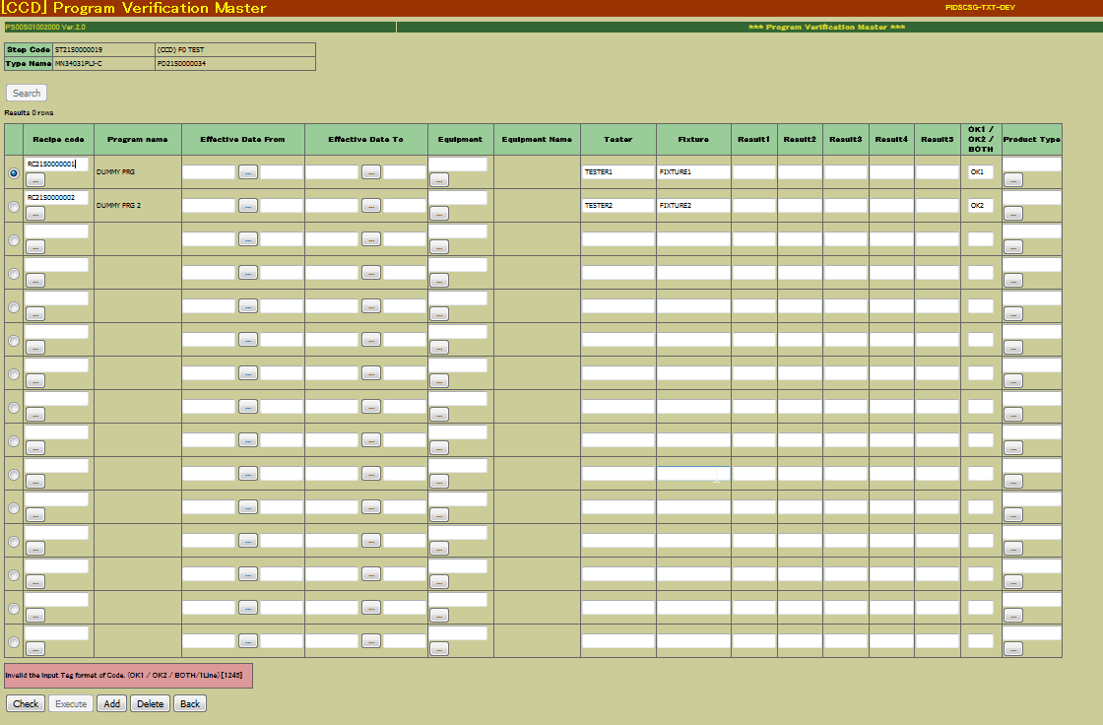

Step Code is not F0 Test and Rank Type is blank, Check has been completed


 |  | sql: | SELECT * FROM RCP_MST WHERE RCP_CD = 'RC21S0000001'
 |  | DEL_FLG | RCP_CD | PRM_CD | LST_NO | PRM_DAT_TXT | PRM_DAT_VAL | NUM_PRM_FLG | UNT_CD | DSP_FLG | GTH_FLG_RCP | CRT_DTS | USR_ID_CRT | UPD_DTS | USR_ID_UPD | UPD_LEV
 |  | 1 | RC21S0000001 | PM49S0000128 | 1 |  | Null | 0 |  | 0 | 0 | 3/27/17 | MASEMC30381 | 3/27/17 | MASEMC30381 | 1
 |  | 1 | RC21S0000001 | PM49S0000129 | 2 |  | Null | 0 |  | 0 | 0 | 3/27/17 | MASEMC30381 | 3/27/17 | MASEMC30381 | 1
 |  | 1 | RC21S0000001 | PM49S0000130 | 3 |  | Null | 0 |  | 0 | 0 | 3/27/17 | MASEMC30381 | 3/27/17 | MASEMC30381 | 1
 |  | 1 | RC21S0000001 | PM49S0000131 | 4 |  | Null | 0 |  | 0 | 0 | 3/27/17 | MASEMC30381 | 3/27/17 | MASEMC30381 | 1
 |  | 1 | RC21S0000001 | PM49S0000132 | 5 |  | Null | 0 |  | 0 | 0 | 3/27/17 | MASEMC30381 | 3/27/17 | MASEMC30381 | 1
 |  | 1 | RC21S0000001 | PM49S0000133 | 6 |  | Null | 0 |  | 0 | 0 | 3/27/17 | MASEMC30381 | 3/27/17 | MASEMC30381 | 1
 |  | 1 | RC21S0000001 | PM00S0000001 | 7 | DUMMY TESTER | Null | 0 |  | 0 | 0 | 3/27/17 | MASEMC30381 | 3/27/17 | MASEMC30381 | 1
 |  | 1 | RC21S0000001 | PM00S0000002 | 8 | DUMMY FIXTURE | Null | 0 |  | 0 | 0 | 3/27/17 | MASEMC30381 | 3/27/17 | MASEMC30381 | 1
 |  | 1 | RC21S0000001 | PM21S0000002 | 10 | MN34410P1T-L_AMK | Null | 0 |  | 0 | 0 | 3/27/17 | MASEMC30381 | 3/27/17 | MASEMC30381 | 1
 |  | 1 | RC21S0000001 | PM21S0000001 | 9 | OK1 | Null | 0 |  | 0 | 0 | 3/27/17 | MASEMC30381 | 3/27/17 | MASEMC30381 | 1
 |  | 1 | RC21S0000001 | PM49S0000128 | 1 | EQ21S00002 | Null | 0 |  | 0 | 0 | 3/27/17 | MASEMC30381 | 3/27/17 | MASEMC30381 | 2
 |  | 1 | RC21S0000001 | PM49S0000129 | 2 |  | Null | 0 |  | 0 | 0 | 3/27/17 | MASEMC30381 | 3/27/17 | MASEMC30381 | 2
 |  | 1 | RC21S0000001 | PM49S0000130 | 3 |  | Null | 0 |  | 0 | 0 | 3/27/17 | MASEMC30381 | 3/27/17 | MASEMC30381 | 2
 |  | 1 | RC21S0000001 | PM49S0000131 | 4 |  | Null | 0 |  | 0 | 0 | 3/27/17 | MASEMC30381 | 3/27/17 | MASEMC30381 | 2
 |  | 1 | RC21S0000001 | PM49S0000132 | 5 |  | Null | 0 |  | 0 | 0 | 3/27/17 | MASEMC30381 | 3/27/17 | MASEMC30381 | 2
 |  | 1 | RC21S0000001 | PM49S0000133 | 6 |  | Null | 0 |  | 0 | 0 | 3/27/17 | MASEMC30381 | 3/27/17 | MASEMC30381 | 2
 |  | 1 | RC21S0000001 | PM00S0000001 | 7 | DUMMY TESTER | Null | 0 |  | 0 | 0 | 3/27/17 | MASEMC30381 | 3/27/17 | MASEMC30381 | 2
 |  | 1 | RC21S0000001 | PM00S0000002 | 8 | DUMMY FIXTURE | Null | 0 |  | 0 | 0 | 3/27/17 | MASEMC30381 | 3/27/17 | MASEMC30381 | 2
 |  | 1 | RC21S0000001 | PM21S0000002 | 10 | MN34410P1T-L_AMK | Null | 0 |  | 0 | 0 | 3/27/17 | MASEMC30381 | 3/27/17 | MASEMC30381 | 2
 |  | 1 | RC21S0000001 | PM21S0000001 | 9 | OK1 | Null | 0 |  | 0 | 0 | 3/27/17 | MASEMC30381 | 3/27/17 | MASEMC30381 | 2
 |  | 0 | RC21S0000001 | PM49S0000128 | 1 | EQ21S00002 | Null | 0 |  | 0 | 0 | 3/27/17 | MASEMC30381 | 0001-01-01 00:00:00 |  | 3
 |  | 0 | RC21S0000001 | PM49S0000129 | 2 |  | Null | 0 |  | 0 | 0 | 3/27/17 | MASEMC30381 | 0001-01-01 00:00:00 |  | 3
 |  | 0 | RC21S0000001 | PM49S0000130 | 3 |  | Null | 0 |  | 0 | 0 | 3/27/17 | MASEMC30381 | 0001-01-01 00:00:00 |  | 3
 |  | 0 | RC21S0000001 | PM49S0000131 | 4 |  | Null | 0 |  | 0 | 0 | 3/27/17 | MASEMC30381 | 0001-01-01 00:00:00 |  | 3
 |  | 0 | RC21S0000001 | PM49S0000132 | 5 |  | Null | 0 |  | 0 | 0 | 3/27/17 | MASEMC30381 | 0001-01-01 00:00:00 |  | 3
 |  | 0 | RC21S0000001 | PM49S0000133 | 6 |  | Null | 0 |  | 0 | 0 | 3/27/17 | MASEMC30381 | 0001-01-01 00:00:00 |  | 3

 |  | 0 | RC21S0000001 | PM00S0000002 | 8 | DUMMY FIXTURE | Null | 0 |  | 0 | 0 | 3/27/17 | MASEMC30381 | 0001-01-01 00:00:00 |  | 3
 |  | 0 | RC21S0000001 | PM21S0000001 | 9 | OK1 | Null | 0 |  | 0 | 0 | 3/27/17 | MASEMC30381 | 0001-01-01 00:00:00 |  | 3
 |  | 0 | RC21S0000001 | PM21S0000002 | 10 | MN34410P1T-L_AMK | Null | 0 |  | 0 | 0 | 3/27/17 | MASEMC30381 | 0001-01-01 00:00:00 |  | 3

